Gender Categories
Row Labels | Sum of Quantity_Sold
Female | 35.54%
Breads | 7.85%
Cakes | 7.39%
Favourable Categories By Gender
Rusk | 7.33%
Biscuits | 6.64%
Dairy | 6.33%
Male | 32.69%
Biscuits | 8.06%
Rusk | 6.87%
Dairy | 6.43%
Breads | 5.91%
Cakes | 5.42%
Other | 31.77%
Biscuits | 7.54%
Rusk | 6.70%
Dairy | 6.33%
Cakes | 6.06%
Breads | 5.15%

City Revenue
Cities which have generated highest revenue as well as the lowest
Row Labels | Sum of Total_Revenue
Bangalore | 1502056
Surat | 1450817
Pune | 1440807
Delhi | 1370916
Chennai | 1354307
Ahmedabad | 1313488
Mumbai | 1282976
Jaipur | 1203532
Kolkata | 1170414
Hyderabad | 1079766

Correlation
Row Labels | Sum of Quantity_Sold
279 | 462
478 | 429
364 | 355
472 | 344
237 | 335
426 | 330
Correlation between Price and Quantity Sold
395 | 329
357 | 319
319 | 318
29 | 316

Revenue to_p_ratio
Row Labels | Sum of Total_Revenue | Average of Price | Sum of Revenue_to_Price_ratio
Marie Gold | 378836 | 267 | 64.493701055
Tiger | 370428 | 241.16666667 | 63.999308915
Bourbon | 409544 | 310.42857143 | 62.823132382
Milk Rusk | 1085061 | 264.62318841 | 59.426091243
NutriChoice | 286834 | 232.71428571 | 58.693267853
Grand Total | 2530703 | 263.22929936 | 61.23606843
Revenue Price To Ratio

Dashboard
Britannia Sales Analysis
 | Total
Premium Bake Rusk | 204221
Milk Rusk | 135773
Toasted Rusk | 126147
Brown Bread | 219224
Milk Rusk | 136081
Butter | 108139
Paneer | 167421
Milk Rusk | 160265
Toasted Rusk | 131521
Milk Rusk | 153964
Swiss Roll | 127805
Butter | 113870
Milk Rusk | 173866
Multigrain Bread | 105805
Toasted Rusk | 91967
Favourable Categories By Gender
 | Total
Breads | 7.85%
Cakes | 7.39%
Rusk | 7.33%
Biscuits | 6.64%
Dairy | 6.33%
Biscuits | 8.06%
Rusk | 6.87%
Dairy | 6.43%
Breads | 5.91%
Cakes | 5.42%
Biscuits | 7.54%
Rusk | 6.70%
Dairy | 6.33%
Cakes | 6.06%
Breads | 5.15%
Cities with highest revenue also the lowest
 | Total
Bangalore | 1502056
Surat | 1450817
Pune | 1440807
Delhi | 1370916
Chennai | 1354307
Ahmedabad | 1313488
Mumbai | 1282976
Jaipur | 1203532
Kolkata | 1170414
Hyderabad | 1079766

Correlation between Price and Quantity Sold
 | Total
279 | 462
478 | 429
364 | 355
472 | 344
237 | 335
426 | 330
395 | 329
357 | 319
319 | 318
29 | 316
Revenue Price To Ratio
 | Sum of Total_Revenue | Average of Price | Sum of Revenue_to_Price_ratio
Marie Gold | 378836 | 267 | 64.493701055
Tiger | 370428 | 241.16666667 | 63.999308915
Bourbon | 409544 | 310.42857143 | 62.823132382
Milk Rusk | 1085061 | 264.62318841 | 59.426091243
NutriChoice | 286834 | 232.71428571 | 58.693267853
sales performance
 | Total
Jul | 7018
Feb | 6115
Aug | 5962

Revenue based on Gender and Age Group
 | Total
Adult | 1100585
Senior | 2351710
Teenager | 1333936
Adult | 1106204
Senior | 1633402
Teenager | 1502558
Adult | 1263911
Senior | 1646219
Teenager | 1230554
Average Product Size Of Quantity Sold
 | Total
Biscuits | 54.420289855
Rusk | 53.464646465
Cakes | 50.284210526
Dairy | 49.31122449
Breads | 45.827751196

revenue by month
Row Labels | Sum of Quantity_Sold
Jul | 7018
Feb | 6115
Aug | 5962
sales performance
Grand Total | 19095

age group
Row Labels | Sum of Total_Revenue
Female | 4786231
Adult | 1100585
Senior | 2351710
Teenager | 1333936
Revenue based on Gender and Age Group
Other | 4242164
Adult | 1106204
Senior | 1633402
Teenager | 1502558
Male | 4140684
Adult | 1263911
Senior | 1646219
Teenager | 1230554

avg_pr_size
Row Labels | Average of Quantity_Sold
Biscuits | 54.420289855
Rusk | 53.464646465
Cakes | 50.284210526
Average Product Size Of Quantity Sold
Dairy | 49.31122449
Breads | 45.827751196
Grand Total | 50.648

Sheet13
Row Labels | Sum of Total_Revenue
Jaipur | 466141
Premium Bake Rusk | 204221
Milk Rusk | 135773
Toasted Rusk | 126147
Surat | 463444
Brown Bread | 219224
Milk Rusk | 136081
Butter | 108139
Pune | 459207
Paneer | 167421
Milk Rusk | 160265
Toasted Rusk | 131521
Bangalore | 395639
Milk Rusk | 153964
Swiss Roll | 127805
Butter | 113870
Chennai | 371638
Milk Rusk | 173866
Multigrain Bread | 105805
Toasted Rusk | 91967

Sample Questions
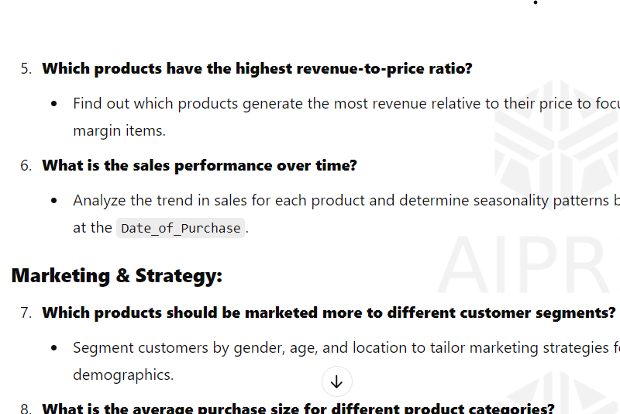

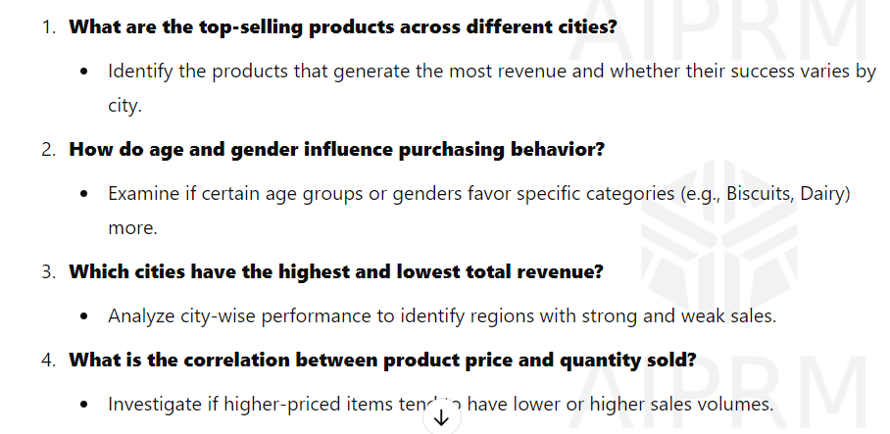

Reports
